ZDT1
default generation | 200 | true HV | 0.66616012487

Parameter Settings:
Algorithm: NSGAII (algorithm was free to run 500 generations)
significance value (α) =0.05
nPreGen = 30
nGenUnchanged = 10 (last 10 generations, we donot have significance difference; last 10 generations, p values are greater than 0.05)
run # | terminate generation | Evalution saves | HV_d - HV_t | HV percentage | Eps_d-Eps_t
0 | 170 | 3000 | 0.001852370722 | 0.98523989605 | -8.20E-04
1 | 137 | 6300 | 0.0075097155894 | 0.97719806469 | -0.0036281739878
2 | 181 | 1900 | 0.0015360055798 | 0.98624598172 | 0.0045989107834
3 | 126 | 7400 | 0.0076036266628 | 0.97670172489 | -0.0046405229793
4 | 125 | 7500 | 0.011298527784 | 0.97032666845 | -0.0010926191402
terminal generation: generetaion number(t^{th}) in which algorithm terminates
Evalutaion saves: (default generation - termination generation)*population size
HV_d - HV_t: Hypervolume (defalut generation) - Hypervolume (ternimation generation)
HV percentage: Hypervolume (terminal generation)/true Hypervolume
Eps_d - Eps_t: Epsilon (defalut generation) - epsilon (ternimation generation)
5 | 148 | 5200 | 0.0031142204505 | 0.98349052379 | -0.0038592048051
6 | 126 | 7400 | 0.0070615886354 | 0.97771298902 | -0.0052609140309
7 | 122 | 7800 | 0.008515537995 | 0.97450978123 | -0.0034882202136
8 | 133 | 6700 | 0.0069976495086 | 0.97860156174 | -0.0037796113036
9 | 131 | 6900 | 0.0062666107527 | 0.97807194771 | -0.0023133702247
10 | 138 | 6200 | 0.0056383760328 | 0.97965955248 | -0.0055167273454
11 | 131 | 6900 | 0.0082053388869 | 0.9753950221 | -0.0056387585043
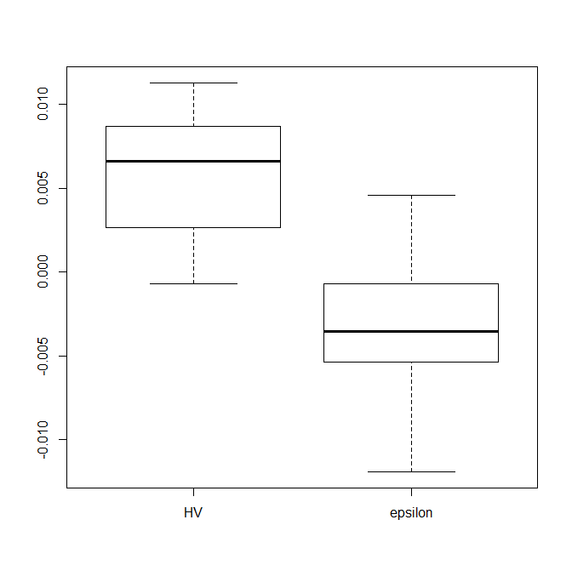
12 | 156 | 4400 | 0.0020650074254 | 0.98559468543 | 0.0015256660667
This files report the HVd, epsd, HVper, evaluation saves parameters for each problem (tabs) when comparing with 500 generations for NSGAII. The summary tab report the summarized view of all the parameters. Please note that this file is linked to "some results SPEA2.xlsx" file (in summary tab) to provided report for SPEA2.
13 | 116 | 8400 | 0.0093690177927 | 0.97464527894 | -0.0069065711255
14 | 120 | 8000 | 0.0093933548536 | 0.97418409945 | -0.0053800626783 |  | 50 | 40 | 4 | 5 | 10 | 12 | 60 | 70
15 | 207 | -700 | -6.78E-04 | 0.98776643867 | 0.0010149237932 | 26
16 | 158 | 4200 | 0.0036194612504 | 0.9829848135 | -6.41E-04 |  | 37.5
17 | 131 | 6900 | 0.010849265196 | 0.97186481515 | -0.011920192462
18 | 163 | 3700 | 0.002627288831 | 0.98420675611 | -6.98E-04
19 | 170 | 3000 | 0.0019819907418 | 0.9862832942 | 1.54E-04
20 | 134 | 6600 | 0.0083530661835 | 0.97491225223 | -0.0031674641037
21 | 122 | 7800 | 0.0086726047451 | 0.97567121067 | -0.0043057009789
22 | 127 | 7300 | 0.010145042515 | 0.97210775235 | -0.0040151606949
23 | 155 | 4500 | 0.0036900917603 | 0.98288081362 | -0.0017889285666
24 | 123 | 7700 | 0.010724069812 | 0.97209638167 | -0.0068941063092
25 | 121 | 7900 | 0.010115846807 | 0.9724542537 | -0.0075661382731
26 | 162 | 3800 | 0.0032592897764 | 0.98291567104 | -0.0053906713813
27 | 174 | 2600 | 0.0013239500579 | 0.98691499078 | 0.0018114772385
28 | 142 | 5800 | 0.0048615162153 | 0.98085356654 | -0.0011187980762
29 | 203 | -300 | 1.65E-04 | 0.98782824575 | 0.0016062796969
 | total save evaluations | 164800 | average HV percentage | 0.97931063445

ZDT2
default generation | 200 | true HV | 0.33283355942
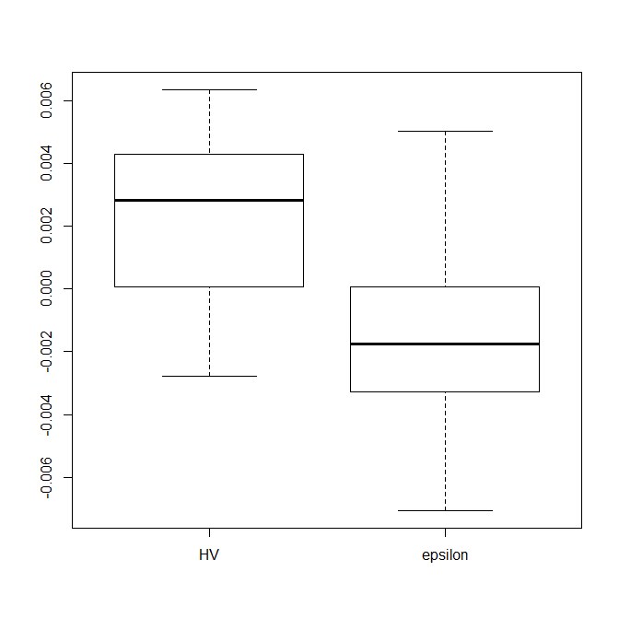
run # | terminate generation | Evalution saves | HV_d - HV_t | HV percentage | Eps_d-Eps_t
0 | 198 | 200 | 7.47E-05 | 0.97159560646 | -8.10E-04
1 | 153 | 4700 | 0.0043169266099 | 0.96538647192 | 0.0011177611943
2 | 145 | 5500 | 0.0050608745598 | 0.96183665567 | -0.0032857375678
3 | 208 | -800 | -0.0010922590688 | 0.97558134181 | -0.0021183220239
4 | 158 | 4200 | 0.0036436416064 | 0.96086694052 | -0.0018999241953
5 | 292 | -9200 | -0.0027925113231 | 0.98320660922 | 0.0019119309981
6 | 151 | 4900 | 0.0063749054886 | 0.95568934124 | -0.0070782432187
7 | 159 | 4100 | 0.0032143078671 | 0.96478230399 | -0.0020304782157
8 | 176 | 2400 | 0.0013563988883 | 0.97032986484 | -0.0024605847341
9 | 165 | 3500 | 0.0051581863057 | 0.9578917668 | -0.0040997083396
10 | 166 | 3400 | 0.0037370758305 | 0.96182592073 | -0.0028174380992
11 | 160 | 4000 | 0.0048621349158 | 0.95746058606 | -0.005593859609
12 | 170 | 3000 | 0.0023467572198 | 0.9669882565 | 0.0022675628622
13 | 183 | 1700 | 0.0014857741485 | 0.96981016044 | -9.07E-04
14 | 151 | 4900 | 0.004794849977 | 0.9648932607 | -0.0045720977475
15 | 170 | 3000 | 0.0024255843815 | 0.96661114135 | -0.002701666822
16 | 166 | 3400 | 0.0032854348837 | 0.96510915575 | -0.0032667375157
17 | 168 | 3200 | 0.0019537017195 | 0.96848250034 | 5.83E-05
18 | 219 | -1900 | -9.84E-04 | 0.97912734475 | -1.72E-04
19 | 223 | -2300 | -0.0012674658412 | 0.97649858819 | -9.58E-04
20 | 195 | 500 | -5.07E-06 | 0.97330613213 | 9.06E-04
21 | 169 | 3100 | 0.0032648295982 | 0.96465437889 | -0.0054431932952
22 | 149 | 5100 | 0.0060169173068 | 0.95535365437 | -0.003540351114
23 | 179 | 2100 | 0.0022209711938 | 0.96664861909 | -0.0036472321049
24 | 146 | 5400 | 0.0049821713228 | 0.95888900395 | 0.0026832081451
25 | 163 | 3700 | 0.0038919351076 | 0.96280303378 | -3.53E-04
26 | 155 | 4500 | 0.0038773269189 | 0.96267916318 | 2.60E-04
27 | 201 | -100 | -6.07E-05 | 0.974748498 | 0
28 | 217 | -1700 | -8.55E-04 | 0.97819235535 | 0.005038256389
29 | 167 | 3300 | 0.0020996297081 | 0.96918232788 | -0.0016033839187
 | total save evaluations | 67800 | average HV percentage | 0.96701436613

 |  |  | -0.0027925113231 |  | -7.08E-03 | -7.08E-03
 |  |  | 0.00039509089179 |  | -0.0033493909543 | -0.0033493909543
 |  |  | 0.0028199461243 |  | -1.75E-03 | -0.001751654057
 |  |  | 0.0042106787344 |  | 0.0001087121472 | 0.0001087121472
 |  |  | 0.0063749054886 |  | 5.04E-03 | 5.04E-03

 |  |  | 0 |  | 0
 |  |  | -0.0027925113231 |  | 7.08E-03
 |  |  | 0.0031876022149 |  | -3.73E-03
 |  |  | 0.0024248552325 |  | -1.60E-03
 |  |  | 0.00139073261 |  | -1.86E-03
 |  |  | 0.0021642267543 |  | -4.93E-03

ZDT3
default generation | 200 | true HV | 0.51719187155

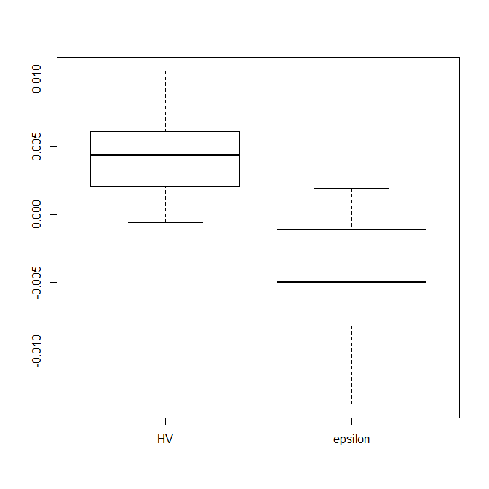
run # | terminate generation | Evalution saves | HV_d - HV_t | HV percentage | Eps_d-Eps_t
0 | 162 | 3800 | 0.0018802354464 | 0.98931709737 | -0.0012119754076
1 | 184 | 1600 | 7.84E-04 | 0.99156408974 | -0.0059026780994
2 | 191 | 900 | 5.85E-04 | 0.99206595233 | 0.001318360559
3 | 185 | 1500 | 5.24E-04 | 0.99173192026 | -0.001676740387
4 | 125 | 7500 | 0.0067497848917 | 0.97997333692 | -0.010142672573
5 | 115 | 8500 | 0.0082823867937 | 0.97788748244 | -0.012517411532
6 | 145 | 5500 | 0.003065241844 | 0.9869282503 | 0.0019154975424
7 | 141 | 5900 | 0.005513228601 | 0.98203671689 | -0.0069997041873
8 | 214 | -1400 | -5.64E-04 | 0.99443423661 | -3.26E-04
9 | 153 | 4700 | 0.0034490972824 | 0.98648387281 | -0.0026419898659
10 | 118 | 8200 | 0.0093172120775 | 0.97558054836 | -0.013954769173
11 | 149 | 5100 | 0.0045661650065 | 0.98343931618 | -0.0048550550645
12 | 138 | 6200 | 0.0049398186135 | 0.98389345352 | -0.0050990232071
13 | 138 | 6200 | 0.0043038796485 | 0.98523188392 | -0.0017819612864
14 | 132 | 6800 | 0.0075223760672 | 0.97759290492 | -0.011371158192
15 | 156 | 4400 | 0.0021076597377 | 0.98888881526 | 3.92E-04
16 | 187 | 1300 | 3.48E-04 | 0.99241921047 | -0.0013571533176
17 | 149 | 5100 | 0.0034285597305 | 0.98579809142 | -2.60E-04
18 | 139 | 6100 | 0.0058810748755 | 0.98157960488 | -0.0057224645484
19 | 120 | 8000 | 0.010604633809 | 0.9723000179 | -0.0088889988539
20 | 141 | 5900 | 0.006120821547 | 0.98117391648 | -0.0058806215827
21 | 148 | 5200 | 0.002870429159 | 0.98808688157 | -0.0025924143532
22 | 131 | 6900 | 0.0059194572156 | 0.98154909228 | -0.0066292179251
23 | 143 | 5700 | 0.0072759723635 | 0.97573998642 | -0.010078287594
24 | 130 | 7000 | 0.0055412857837 | 0.98379870847 | -0.0063987936206
25 | 128 | 7200 | 0.00562990342 | 0.9824503943 | -0.0081884611163
26 | 199 | 100 | 7.15E-05 | 0.99209950654 | -8.63E-04
27 | 128 | 7200 | 0.0071396678061 | 0.97859056173 | -0.0082549595578
28 | 158 | 4200 | 0.0022781408499 | 0.98776943106 | -0.0010895993018
29 | 144 | 5600 | 0.0039793132356 | 0.98518815741 | -7.00E-04
 | total save evaluations | 150900 | average HV percentage | 0.98451978129

 |  |  | -0.00056410577858 |  | -0.013954769173
 |  |  | 0.0021502800158 |  | -0.007891271884
 |  |  | 0.0044350223275 |  | -0.0049770391358
 |  |  | 0.0060704804641 |  | -0.0011201933282
 |  |  | 0.010604633809 |  | 0.0019154975424

 |  |  | 0 |  | 0
 |  |  | -0.00056410577858 |  | -0.013954769173
 |  |  | 0.0027143857943 |  | 0.0060634972894
 |  |  | 0.0022847423117 |  | 0.0029142327483
 |  |  | 0.0016354581366 |  | 0.0038568458076
 |  |  | 0.0045341533449 |  | 0.0030356908706

ZDT4
default generation | 200 | true HV | 0.66617361728
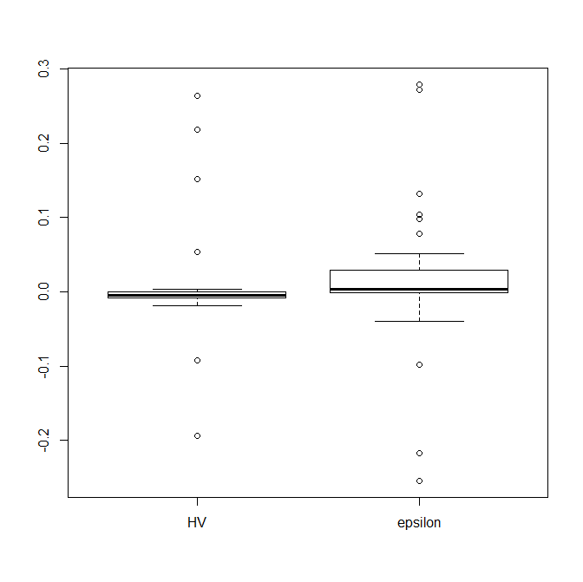
run # | terminate generation | Evalution saves | HV_d - HV_t | HV percentage | Eps_d-Eps_t
0 | 232 | -3200 | -0.0019335566884 | 0.98682220135 | 0.0040554145518
1 | 337 | -13700 | -0.19305555926 | 0.98933079922 | 0.27959593507
2 | 224 | -2400 | -0.0022472661273 | 0.98738170699 | -1.87E-04
3 | 217 | -1700 | -0.005420274852 | 0.98460406118 | -3.26E-04
4 | 131 | 6900 | 0.21871601697 | 0.65121565787 | -0.25458930937
5 | 147 | 5300 | 0.26331341451 | 0.58970333906 | -0.21675477052
6 | 270 | -7000 | -0.0084107155664 | 0.9828430147 | 0.029166493834
7 | 265 | -6500 | -0.01328599092 | 0.98488393454 | 0.10429765106
8 | 232 | -3200 | -0.0052226920804 | 0.97910640503 | 0.004371515896
9 | 142 | 5800 | 0.053252539172 | 0.87433411502 | -0.039194909668
10 | 259 | -5900 | -0.0039918074333 | 0.98163522562 | 0.0019191048754
11 | 234 | -3400 | -0.0059214307512 | 0.97788124107 | -0.0060679295347
12 | 303 | -10300 | -0.0067165485437 | 0.98562733995 | 0.0039748435612
13 | 276 | -7600 | -0.0019717473625 | 0.99056770537 | 0.0057916706645
14 | 252 | -5200 | -0.0056921168752 | 0.9736070392 | 0.0042894481461
15 | 261 | -6100 | -0.013324473698 | 0.98666009635 | 0.078711482512
16 | 224 | -2400 | -1.29E-04 | 0.98669737484 | 0.0014486254409
17 | 393 | -19300 | -0.016668643316 | 0.98938511006 | 0.098627864802
18 | 203 | -300 | 9.53E-05 | 0.98624755148 | 0
19 | 180 | 2000 | 0.15164194167 | 0.72341224684 | -0.097910468118
20 | 224 | -2400 | -0.0082325675279 | 0.95547173551 | 0.0047719312586
21 | 213 | -1300 | -0.0013795719247 | 0.97873013078 | 0.002104768934
22 | 205 | -500 | -1.69E-04 | 0.98046776817 | -5.51E-04
23 | 182 | 1800 | 0.0035423252827 | 0.96827604586 | -7.61E-04
24 | 228 | -2800 | -0.0010598096132 | 0.98228306137 | 0.0052323261748
25 | 328 | -12800 | -0.017963018864 | 0.99038113766 | 0.13196065214
26 | 278 | -7800 | -0.016276647201 | 0.98979603456 | 0.051836604315
27 | 185 | 1500 | 5.40E-04 | 0.98524398271 | -0.0018003904532
28 | 269 | -6900 | -0.0066104680526 | 0.98637684484 | 0.0066104754298
29 | 297 | -9700 | -0.091487390001 | 0.9845289028 | 0.27240253349
 | total save evaluations | -119100 | average HV percentage | 0.94645006033

ZDT6
default generation | 200 | true HV | 0.40590724234
Average Hausdroff Distance for run # 1
 | 0.17156754132
 | 0.20204710453
 | 0.08956558868
 | 0.1081294178
 | 0.09682779166
 | 0.10086447661
 | 0.51020747528
 | 0.42786826314
 | 0.32428357014
 | 0.40038366961
 | 0.13537824486
 | 0.18591112635
 | 0.1902658613
 | 0.40809719888
 | 0.0078597262531
 | 0.47878180614
 | 0.29138796015
 | 0.098562690682
 | 0.33402412638
 | 0.30906755179
 | 0.29513435767
 | 0.086292389553
 | 0.1466247131
 | 0.087274701017
 | 0.015975826642
 | 0.078923843198
 | 0.055791479143
 | 0.22725246247
 | 0.033660729008
 | 0.083521192726
 | 0.11837059623
 | 0.00689943127
 | 0.0084518622464
 | 0.11247295128
 | 0.21077111937
 | 0.082969604918
 | 0.06797210016
 | 0.19065482053
 | 0.19762441704
 | 0.0061943751927
 | 0.056752028964
 | 0.12027486347
 | 0.084394088092
 | 0.068737358034
 | 0.13817620829
 | 0.12257404238
 | 0.054653496692
 | 0.096626499378
 | 0.088679390565
 | 0.06214116638
...
run # | terminate generation | Evalution saves | HV_d - HV_t | HV percentage | Eps_d-Eps_t
0 | 219 | -1900 | -0.0075461533184 | 0.94267934037 | 0.0038198108155
1 | 60 | 14000 | 0.37754705062 | 0 | -1.2142214752
2 | 141 | 5900 | 0.068153197654 | 0.75387175903 | -0.070074214959
3 | 246 | -4600 | -0.01067023631 | 0.95997457062 | 0.0093640710508
4 | 69 | 13100 | 0.37289156229 | 0 | -1.184035023
5 | 98 | 10200 | 0.23041701319 | 0.36151981906 | -0.34271872271
6 | 500 | -30000 | -0.019963097922 | 0.98119617821 | 0.015468845674
7 | 171 | 2900 | 0.022276921921 | 0.85948885488 | -0.020143485316
8 | 231 | -3100 | -0.01129148989 | 0.94325203554 | 0.014505734974
9 | 229 | -2900 | -0.0094991580201 | 0.94868092647 | 0.0089788680185
10 | 230 | -3000 | -0.014960919694 | 0.93353581905 | 0.015916220752
11 | 103 | 9700 | 0.2235306289 | 0.36979884545 | -0.31100727658
12 | 158 | 4200 | 0.044344170711 | 0.82152337608 | -0.050674695338
13 | 134 | 6600 | 0.084834102632 | 0.72709657301 | -0.085323927217
14 | 303 | -10300 | -0.023869376439 | 0.97260637256 | 0.015645896909
15 | 172 | 2800 | 0.019585690169 | 0.86583145436 | -0.023754180001
16 | 62 | 13800 | 0.37039851749 | 0 | -1.0669264343
17 | 387 | -18700 | -0.02051406809 | 0.98099632196 | 0.016243311531
I expect that this one should be terminated around 180th generation but this is terminated at 60th generaton. I am struggling to detect this early cervegence. Any sugesstions?
18 | 88 | 11200 | 0.28453815487 | 0.21048115007 | -0.4630118008
19 | 58 | 14200 | 0.36805320076 | 0 | -1.6985467624
20 | 75 | 12500 | 0.36981182124 | 0 | -0.94912546798
21 | 56 | 14400 | 0.37457893498 | 0 | -1.8043002581
22 | 215 | -1500 | -0.0066560521353 | 0.92674014164 | 0.013363602419
23 | 121 | 7900 | 0.18364920481 | 0.45494727907 | -0.25131193832
24 | 90 | 11000 | 0.3000630456 | 0.18692930886 | -0.48756962262
25 | 204 | -400 | -0.0017782357426 | 0.92213591513 | 0
26 | 192 | 800 | 0.0040416300756 | 0.91198864494 | -2.61E-04
27 | 77 | 12300 | 0.37152537492 | 0.003161227721 | -0.74697105234
28 | 251 | -5100 | -0.01633011134 | 0.95280765997 | 0.018625747914
29 | 97 | 10300 | 0.25116479447 | 0.30350775947 | -0.38463177905
 | total save evaluations | 96300 | average HV percentage | 0.57649171112

DTLZ2
default generation | 300 | true HV | 0.4678358365

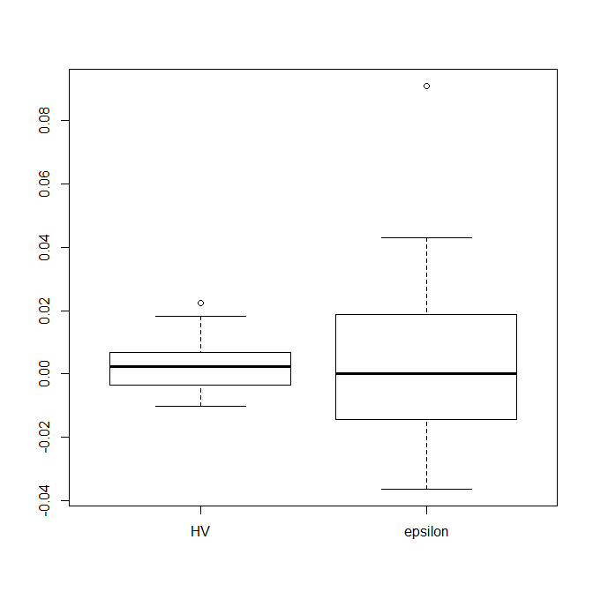
run # | terminate generation | Evalution saves | HV_d - HV_t | HV percentage | Eps_d-Eps_t
0 | 89 | 21100 | 0.0068285377204 | 0.77436499113 | -0.036535029672
1 | 106 | 19400 | -0.0017812430264 | 0.80217779861 | 0.0014675506133
2 | 86 | 21400 | 0.011504166282 | 0.78152855065 | -0.0023010561786
3 | 90 | 21000 | 0.011572654087 | 0.7832176575 | -0.029082730606
4 | 128 | 17200 | -0.010324301892 | 0.80025739804 | 0.033547020427
5 | 95 | 20500 | 0.022315629905 | 0.75759963953 | -0.027226830001
6 | 102 | 19800 | -0.003942757298 | 0.8012318885 | 0.014715307731
7 | 91 | 20900 | -0.0040819936154 | 0.79194705169 | 0.026752615165
8 | 87 | 21300 | 0.0041944340654 | 0.79530925415 | 0.043015006239
9 | 122 | 17800 | 0.0059855492427 | 0.78810417447 | -0.012398493184
10 | 118 | 18200 | -0.0015205760526 | 0.80032482723 | -0.011238123454
11 | 154 | 14600 | 0.0044242145473 | 0.78077267073 | -0.0064259516687
12 | 112 | 18800 | -0.005068687186 | 0.80675927126 | -0.015040684506
13 | 89 | 21100 | 0.018312966317 | 0.77401768602 | 0.0011710418563
14 | 97 | 20300 | 0.0059543645754 | 0.79860732101 | -0.018614187587
15 | 94 | 20600 | 0.0021065040861 | 0.78588580916 | -0.02117793375
16 | 145 | 15500 | -0.0077039082267 | 0.81797164146 | 0.0029152638895
17 | 154 | 14600 | 5.18E-04 | 0.79508273592 | 0.091143764287
18 | 120 | 18000 | -0.002172317144 | 0.78623598073 | 0.029163089003
19 | 129 | 17100 | 0.0061742529562 | 0.79438614595 | -7.35E-04
20 | 95 | 20500 | 0.0025287619074 | 0.79483843927 | -0.014474323063
21 | 90 | 21000 | 0.0089431685973 | 0.7841174871 | -0.014666085283
22 | 95 | 20500 | -0.006545854942 | 0.80530128833 | 0.0054873279349
23 | 97 | 20300 | -2.92E-04 | 0.80455695305 | 0.03329284945
24 | 91 | 20900 | 0.008727964879 | 0.77124397618 | 0.018729859539
25 | 139 | 16100 | -0.0029188587125 | 0.80702273296 | 0.0023295079613
26 | 109 | 19100 | 0.0024004872731 | 0.78954839198 | -0.0082099722133
27 | 131 | 16900 | -0.0038477795431 | 0.80896085794 | 0.0077431777921
28 | 132 | 16800 | -0.0034616340062 | 0.79679322875 | 0.038305146469
29 | 81 | 21900 | 0.015682073592 | 0.77002016574 | -0.012174016545
 | total save evaluations | 573200 | average HV percentage | 0.7916062005

